Cover Page
SPECIFICATIONS AND BILL OF QUANTITIES

PROJECT:
SAINT MARY HEALTH CENTER

LOCATION:
EDAGA HAMUS_TIGRAY, ETHIOPIA

DOCTORS WITH AFRICA- CUAMM

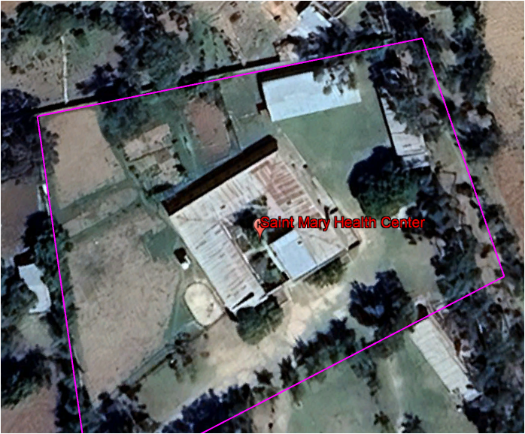

Prepared by:- Yitbarek Birhanu
Oct-25

