Cover Page
SPECIFICATIONS AND BILL OF QUANTITIES

PROJECT:
SAINT LOUISE EYE CLINIC

LOCATION:
MEKELE_TIGRAY, ETHIOPIA
OWNER:
DOCTORS WITH AFRICA- CUAMM

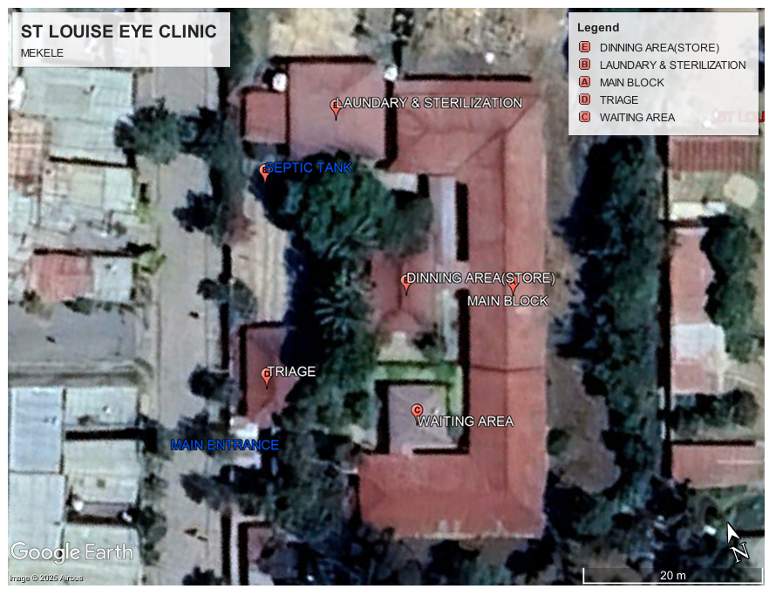 MANOS UNIDAS

Prepared by:- CUAMM(YB)
Nov-25

