Cover Page
SPECIFICATIONS AND BILL OF QUANTITIES

PROJECT:
MEDICAL GASES SUPPLY WORKS AT TIKUR ANBESSA(BLACKLION) SPECIALIZED HOSPITAL

LOCATION:
ADDIS ABABA, ETHIOPIA
OWNER:
DOCTORS WITH AFRICA- CUAMM
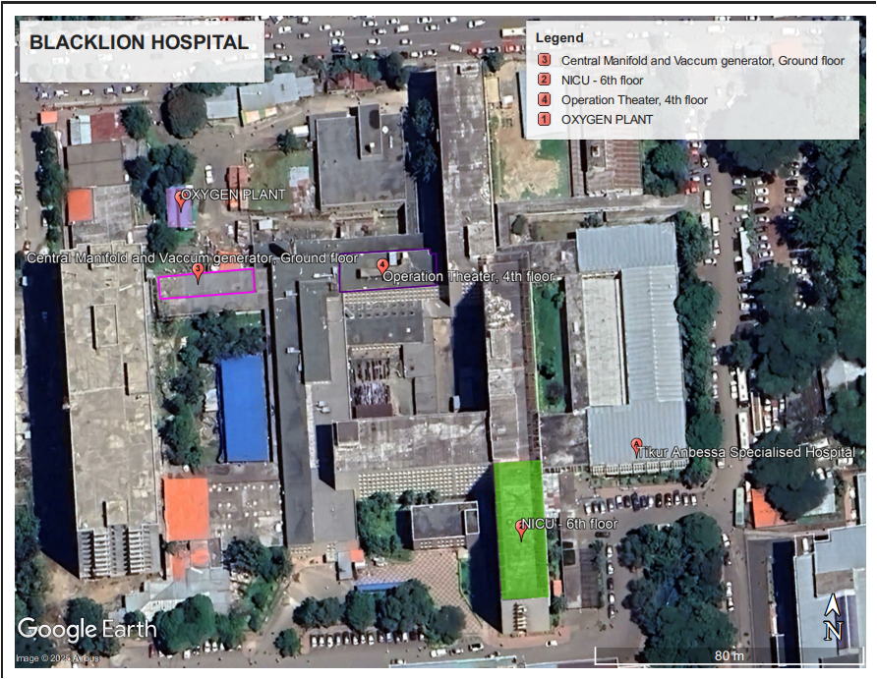

Apr-26

